OB3
 |  |  |  |  | OB3 WDSF
 | 1 | 2 | 3 | 4 | 5 | 6 | 7 | 8 | 9 | 10 | 11 | 12 | 13 | 14 | 15 | 16 | 17 | 18 | 19 | 20 | 21 | 22 | 23 | 24 | 25 | 26 | 27 | 28 | 29 | 30 | 31 | 32 | 33 | 34 | 35 | 36 | 37 | 38 | 39 | 40
1 |  |  |  |  |  |  |  |  |  |  |  |  |  |  |  |  |  |  |  |  |  |  |  |  |  |  |  |  |  |  |  |  |  |  |  |  |  |  |  |  |  | OB3 WDSF
2
3 |  |  | 5 |  |  |  |  |  |  |  |  |  |  |  |  |  |  |  |  |  |  |  |  |  |  |  |  |  |  |  |  |  |  |  |  |  |  |  |  |  |  | 1 | Sending to the box
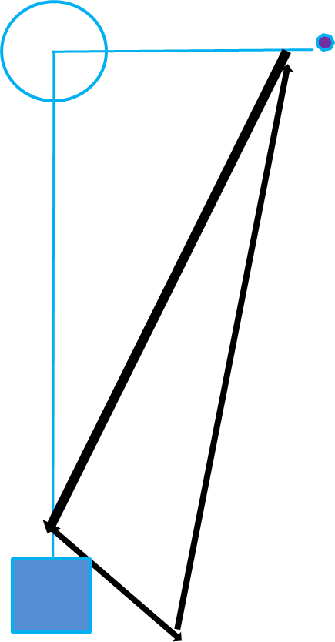
4 |  |  |  |  |  |  |  |  |  |  |  |  |  |  |  |  |  |  |  |  |  |  |  |  |  |  |  |  |  |  |  |  |  |  |  |  |  |  |  |  |  | 2 | Discrimination and retrive
5 |  |  |  |  |  |  |  |  |  |  |  |  |  |  |  |  |  |  |  |  |  |  |  |  |  |  |  |  |  |  |  |  |  |  |  |  |  |  |  |  |  | 3 | Heelwork
6 |  |  |  |  |  |  |  |  |  |  |  |  |  |  |  |  |  |  |  |  |  |  |  |  |  |  |  |  |  |  |  |  |  |  |  |  |  |  |  |  |  | 4 | Position under march
7 |  |  |  |  |  |  |  |  |  |  |  |  |  |  |  |  |  |  |  |  |  |  |  |  |  |  |  |  |  |  |  |  |  |  |  |  |  |  |  |  |  | 5 | Recall with positions
8 |  |  |  |  |  |  |  |  |  |  |  |  |  |  |  |  |  |  |  |  |  |  |  |  |  |  |  |  |  |  |  |  |  |  |  |  |  |  |  |  |  | 6 | Directed Retrieve
9 |  |  |  |  |  |  |  |  |  |  |  |  |  |  |  |  |  |  |  |  |  |  |  |  |  |  |  |  |  |  |  |  |  |  |  |  |  |  |  |  |  | 7 | Distant controle
10 |  |  |  |  |  |  |  |  |  |  |  |  |  |  |  |  |  |  |  |  |  |  |  |  |  |  |  |  |  |  |  |  |  |  |  |  |  |  |  |  |  | 8 | Send away to cones
11
12 |  |  |  |  |  |  |  |  |  |  |  |  |  |  |  |  |  |  |  |  |  |  |  |  |  |  |  |  |  |  |  |  |  |  |  |  |  |  |  |  | INGANG
13
14
15
16 |  |  |  |  |  |  |  |  |  |  |  |  |  |  |  |  |  |  |  |  |  |  |  |  |  |  |  |  |  |  |  |  | 1
17 |  |  |  |  |  |  |  |  |  |  |  |  |  |  |  |  |  |  |  |  |  |  |  |  |  |  |  |  |  |  |  | 3 | 2
18
19
20
21 | 7 |  |  |  |  |  |  |  |  |  |  |  |  |  |  |  |  |  |  |  |  |  |  |  |  |  |  |  |  |  |  |  |  |  |  |  |  |  |  |  | UITGANG
22 |  |  |  |  |  |  |  |  |  |  | 6 |  |  |  |  |  |  |  |  | 8
23
24 | STAND
25 | DOWN
26 | SIT
27 | STAND
28 | SIT |  |  |  |  |  |  |  |  |  |  |  |  |  |  |  |  |  |  |  |  |  |  |  |  |  |  |  |  |  |  |  |  |  | H
29 | DOWN
30
31
32
33
34
35
36 |  |  |  |  |  |  | x |  |  |  | x |  |  |  | x
37
38
39
40

